Sheet1
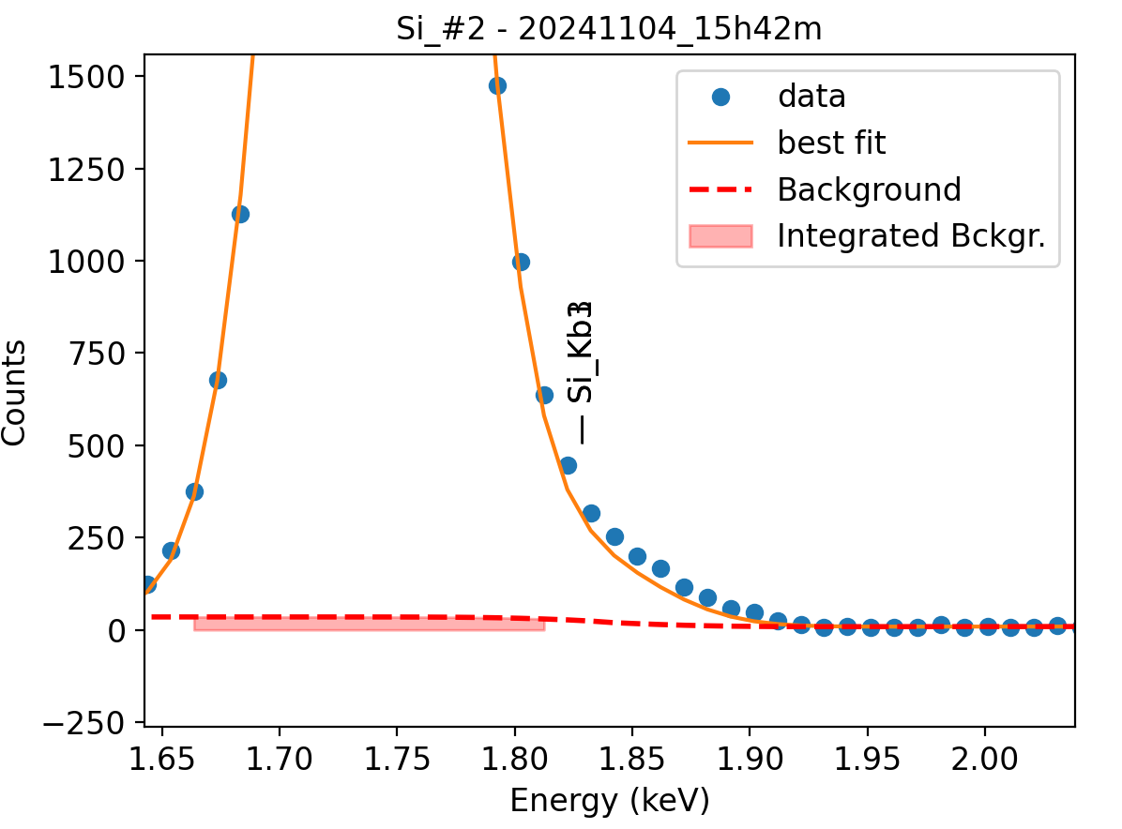
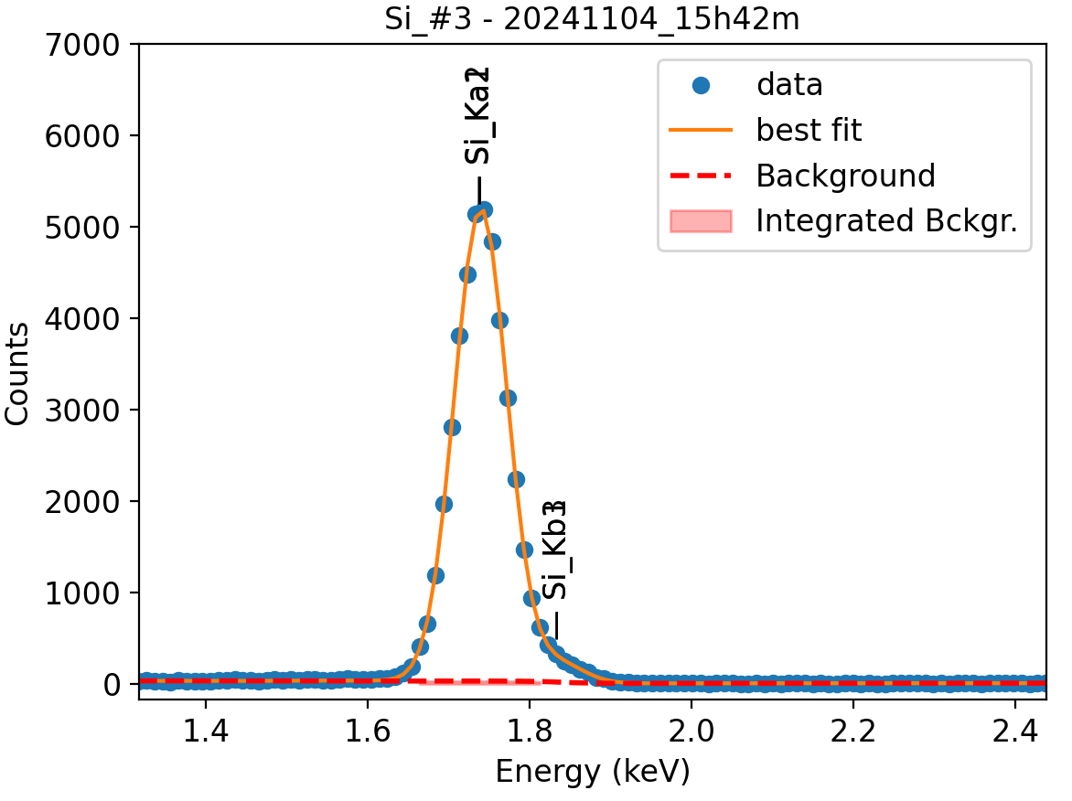
Weights calibrated measuring a pure V standard, bulk, polished
Area of all peaks is fitted
A constant shift is maintained across all peaks
Sigma is fixed for all peaks
Area of peak Ka2 is weighted and fixed on original weights because strongly overlapping with Ka1

Si |  | Meas 1 | Meas 2 | Meas 3 | Meas 4 | Meas 5 | Meas 6 | Meas 7 | Meas 8 | Meas 9 | Meas 10
Ka1 |  | 277.343 | 278.719 | 279.476 | 277.1135 | 277.007 | 256.074 | 278.541 | 278.833 | 278.999 | 275.053
Kb1 |  | 9.939 | 19.721 | 9.136 | 8.267 | 9.403 | 8.056 | 9.128 | 9.816 | 9.078 | 8.453
Kb3 |  | 9.939 | 0.007 | 9.136 | 8.267 | 9.403 | 8.056 | 9.128 | 9.816 | 9.078 | 8.453
Kb1 + Kb3 |  | 19.878 | 19.728 | 18.272 | 16.534 | 18.806 | 16.112 | 18.256 | 19.632 | 18.156 | 16.906

Line | Original w | Meas 1 | Meas 2 | Meas 3 | Meas 4 | Meas 5 | Meas 6 | Meas 7 | Meas 8 | Meas 9 | Meas 10 | Mean | Stdev | Er (%)
Ka1 | 1 | 1.0000 | 1.0000 | 1.0000 | 1.0000 | 1.0000 | 1.0000 | 1.0000 | 1.0000 | 1.0000 | 1.0000 | 1.0000
Kb1 | 0.0316 | 0.0358 | 0.0708 | 0.0327 | 0.0298 | 0.0339 | 0.0315 | 0.0328 | 0.0352 | 0.0325 | 0.0307 | 0.0366 | 0.0122 | 33.23
Kb3 | 0.0158 | 0.0358 | 0.0000 | 0.0327 | 0.0298 | 0.0339 | 0.0315 | 0.0328 | 0.0352 | 0.0325 | 0.0307 | 0.0295 | 0.0105 | 35.67
Kb1 + Kb3 | 0.0474 | 0.0717 | 0.0708 | 0.0654 | 0.0597 | 0.0679 | 0.0629 | 0.0655 | 0.0704 | 0.0651 | 0.0615 | 0.0661 | 0.0041 | 6.17

The fitting of peaks Kb1 + Kb3 varies, but their sum is more or less constant
So we use the original ratios to diustribute the sum among the 2 peaks, giving:

 | Kb1 | Kb3 | Sum
Original ratio | 0.6667 | 0.3333
Resulting weights: | 0.0441 | 0.0220 | 0.0661

 |  | Without improvement of Kb1, Kb3 weights: |  |  |  |  |  |  |  |  | With unconstrained peak area

